
 |  |  |  | CODE: |  |  | pl1045 aa SN from 98D84
DESCRIPTION: |  | WHEEL |  | RÄDCHEN | ROUE | RUEDA | RUOTA
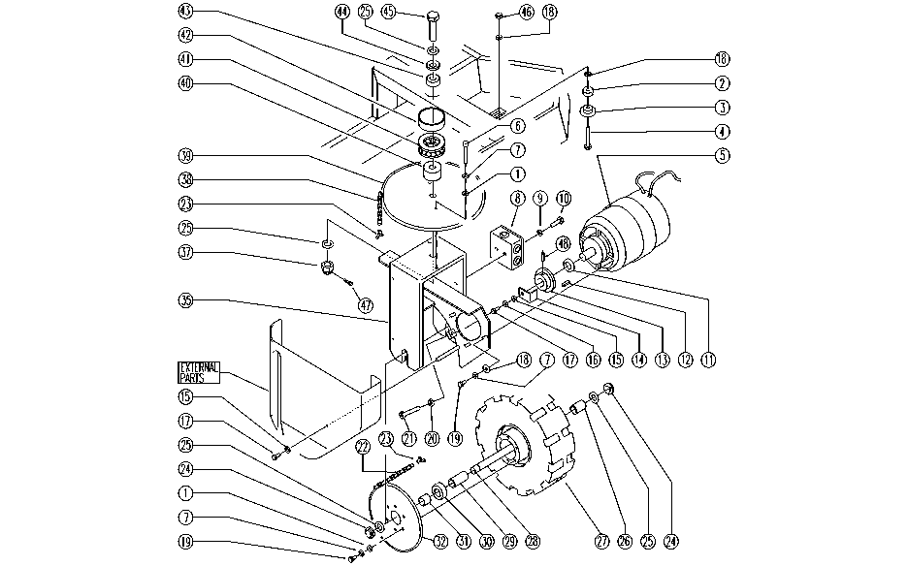

REF. | CODE | DESCRIPTION | QT
1 | E86726 | Washer | 14
2 | E86356 | Spacer AS36 | 1
3 | E86357 | Chain Tightner AS36 | 1
4 | E86486 | Screw TE M8-45 | 1
5 | SL02112 | GEARMOTOR | 1
6 | SL04192 | SCREW | 2
7 | E86702 | Cham Washer D8 | 12
8 | SL23468 | ELECT. HOUSING | 1
9 | E86797 | Washer | 2
10 | E86336 | M4 - 10 Screw | 2
11 | SL06066 | WASHER | 1
12 | E86536 | Key | 1
13 | E86972 | AS36 Pinion | 1
14 | SL09706 | PLATE | 1
15 | E86707 | Cham Washer D10 | 4
16 | E86700 | Cham Washer D6 | 1
17 | E86366 | screw WS20 | 3
18 | E86979 | Washer D 8-24 | 5
19 | SL04023 | SCREW | 10
20 | E86703 | Nut M8 | 1
21 | E86870 | Screw | 1
22 | E86986 | Traction Chain | 1
23 | E86987 | Chain Link | 2
24 | E86854 | Nut | 2
25 | E86855 | Washer | 4
26 | E86856 | Spacer | 1
27 | E86984 | Drive Wheel AS30/36 | 1
28 | E86857 | Pin | 1
29 | E86858 | Spacer | 1
30 | E86817 | Bearing | 1
31 | E86859 | Spacer | 1
32 | E86991 | Crown | 1
35 | SL09687 | FORK | 1
37 | SL05079 | NUT | 1
38 | E87809 | Steering Chain AS30/36 | 1
39 | SL10034 | CROWN | 1
40 | SL07096 | SPACER | 1
41 | SL12014 | BEARING | 1
42 | SL03461 | GUARD | 1
43 | E86814 | bearing | 1
44 | SL12021 | RING | 1
45 | SL07450 | SCREW | 1
46 | E86853 | Nyloc Hex Nut, M8 Zinc | 1
47 | SL11121 | SPLIT PIN | 1
48 | SL11048 | SPLIT PIN | 1
- | SL07258 | MOTOR DRUM | 1

